AC Voltage
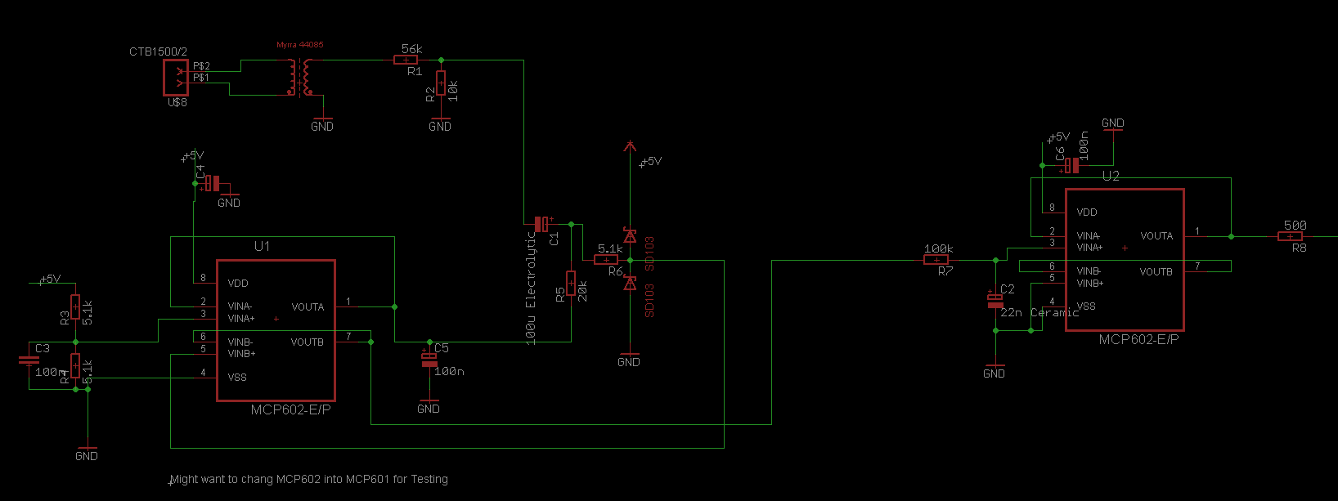
Component | Value | Notes | Component | Quantity | Unit Price | Total
R1 | 56K | Pot.Divider at input (series) | Transformer | 1 | £2.83 | £2.83
R2 | 10K | Pot.Divider at input (shunt) | MCP601 OpAmp | 3 | £0.35 | £1.05 | Cost per Sensor | 3.88
R3 | 5.1K | Pot. Divider for biasing (series) | SD103 | 2 | £- | £- | Number of Sensors | 1
R4 | 5.1K | Pot. Divider for biasing (shunt) |  |  | £- | £- | Total Cost | 3.88
R5 | 20k |  |  |  | £- | £-
R6 | 5.1K |  |  |  | £- | £-
R7 | 100k | Part of LPF |  |  | £- | £-
R8 | 500 | Current Limiting Resistor |  |  | £- | £-
C1 | 100μ | Electrolytic |  |  | £- | £-
C2 | 22nF | Ceramic (Part of LPF) |  |  | £- | £-
 |  |  |  |  | £- | £-
 | 100nF | All other capacitors are decoupling capacitors |  |  | £- | £-
 |  |  |  |  | £- | £-

